Conversion
Conversion

Expand this line for further information

 | ρ |  | Calculate Moisture based on | Typical Bulk Densitys (Gravimetric, dry Material)
Material | 0.2 | kg/dm3 | Dry Material | Sand (dry) | 1.60 | kg/dm3 | Sawdust | 0.20 | kg/dm3
Water | 1 | kg/dm3 |  | Gravel (2-8 mm) | 1.40 | kg/dm3 | Wood Chips | 0.30 | kg/dm3
 |  |  |  | Gravel (8-16 mm) | 1.35 | kg/dm3 | Biomass | 0.30 | kg/dm3
Moisture [Input] |  |  | Moisture [Output] | Gravel (16-32 mm) | 1.30 | kg/dm3 | Wheat (Grain) | 0.75 | kg/dm3
Volumetric |  |  | Gravimetric |  |  |  | Corn (Maize) | 0.72 | kg/dm3
25.00% |  |  | 125.00%

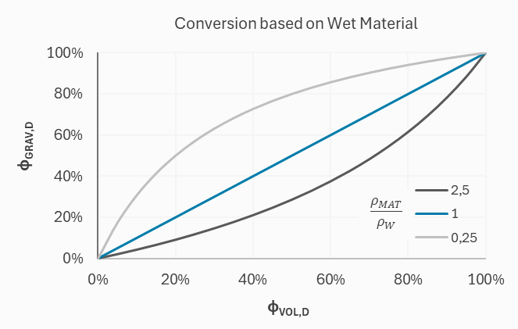
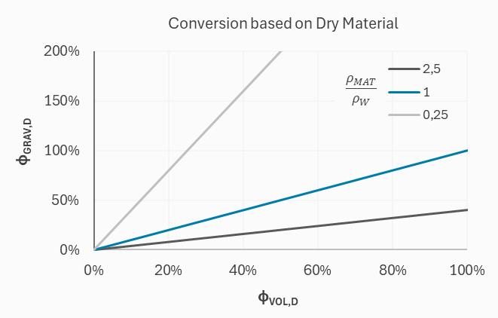
$$φ_{VOL}=\frac{φ_{GRAV}{∙ρ}_{MAT}}{φ_{GRAV}{∙ρ}_{MAT}+ (1−φ_{GRAV}){∙ρ}_{W}}$$
$$φ_{GRAV}=\frac{φ_{VOL}{∙ρ}_{W}}{φ_{VOL}{∙ρ}_{W}+ (1−φ_{VOL}){∙ρ}_{MAT}}$$
$$φ_{VOL,D}=φ_{GRAV,D}∙\frac{ρ_{MAT}}{ρ_{W}}$$
$$φ_{GRAV,D}=φ_{VOL,D}∙\frac{ρ_{W}}{ρ_{MAT}}$$

Calibration
Calibration

Expand this line for further information

# | tp | % | use? | Calibration Curve | m0 | m1 | m2 | m3 | m4 | m5
Support | 60 | -3.00 | yes | Linear | -8.678 | 0.095 | 0.000 | 0.000 | 0.000 | 0.000
1 | 150 | 5.60 | yes | Extend [tp] | 10 |  |  |  |  |  | R2= | 1.00
 | Calibration Curve |  | Measurements
50 | -3.93 | 60 | -3
53 | -3.65 | 150 | 5.6
56 | -3.36 | 170 | 7.5
59 | -3.08 | 190 | 9.3
62 | -2.79
65 | -2.51
68 | -2.22
71 | -1.94
74 | -1.65
77 | -1.37
80 | -1.08
83 | -0.80
86 | -0.51
89 | -0.23
92 | 0.06
95 | 0.34
98 | 0.63
101 | 0.91
104 | 1.19
107 | 1.48
110 | 1.76
113 | 2.05
116 | 2.33
119 | 2.62
122 | 2.90
125 | 3.19
128 | 3.47
131 | 3.76
134 | 4.04
137 | 4.33
140 | 4.61
143 | 4.90
146 | 5.18
149 | 5.47
152 | 5.75
155 | 6.04
158 | 6.32
161 | 6.61
164 | 6.89
167 | 7.18
170 | 7.46
173 | 7.75
176 | 8.03
179 | 8.32
182 | 8.60
185 | 8.88
188 | 9.17
191 | 9.45
194 | 9.74
197 | 10.02
...
2 | 170 | 7.50 | yes
3 | 190 | 9.30 | yes
4 | 195 | 7.00 | no
5 |  |  | yes
6 |  |  | yes
7 |  |  | yes
8 |  |  | yes
9 |  |  | yes
10 |  |  | yes
11 |  |  | yes
12 |  |  | yes
13 |  |  | yes
14 |  |  | yes
15 |  |  | yes
16 |  |  | yes
17 |  |  | yes
18 |  |  | yes
19 |  |  | yes
20 |  |  | yes

