Conversion
Conversion

Expand this line for further information

 | ρ |  |  | Moisture [Input] |  |  | Moisture [Output] | Typical Bulk Densitys (Gravimetric, dry Material)
Material | 1.4 | kg/dm3 |  | Volumetric (Total) |  |  | Gravimetric (Total) | Sand (dry) | 1.60 | kg/dm3
Water | 1 | kg/dm3 |  | 5.02% |  |  | 3.64% | Gravel (2-8 mm) | 1.40 | kg/dm3
β | 1.40 | − |  |  |  |  |  | Gravel (8-16 mm) | 1.35 | kg/dm3
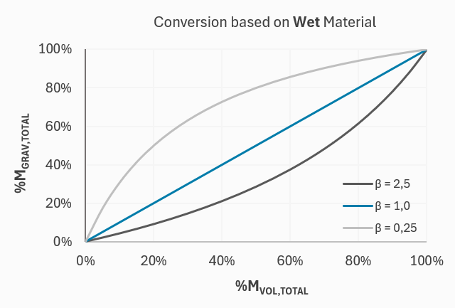
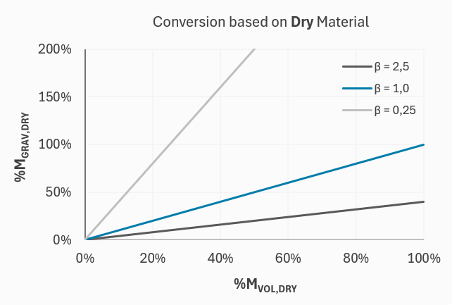
 |  |  |  |  |  |  |  | Gravel (16-32 mm) | 1.30 | kg/dm3
 |  |  |  |  |  |  |  | Sawdust | 0.20 | kg/dm3
 |  |  |  |  |  |  |  | Wood Chips | 0.30 | kg/dm3
 |  |  |  |  |  |  |  | Biomass | 0.30 | kg/dm3
 |  |  |  |  |  |  |  | Wheat (Grain) | 0.75 | kg/dm3
 |  |  |  |  |  |  |  | Corn (Maize) | 0.72 | kg/dm3

$$M$$
$$\frac{M}{1−M}$$
$$\frac{M}{β\left(1−M\right)+M}$$
$$\frac{M}{β(1−M)}$$
 | Output
Input | %MVOL (T) |  | %MVOL (D) |  | %MGRAV (T) | %MGRAV (D)
%MVOL (T)
$$\frac{M}{1+M}$$
$$M$$
$$\frac{M}{β+M}$$
$$\frac{M}{β}$$
%MVOL (D)
$$\frac{βM}{1+(β−1)∙M}$$
$$\frac{βM}{1−M}$$
$$M$$
$$\frac{M}{1−M}$$
%MGRAV (T)
$$\frac{βM}{1+βM}$$
$$βM$$
$$\frac{M}{1+M}$$
$$M$$
%MGRAV (D)

Calibration
Calibration

Expand this line for further information

# | tp | % | use? | Calibration Curve | m0 | m1 | m2 | m3 | m4 | m5
Support | 60 | -3.00 | yes | Linear | -8.800 | 0.096 | 0.000 | 0.000 | 0.000 | 0.000
1 | 150 | 5.50 | yes | Extend [tp] | 10 |  |  |  |  |  | R2= | 0.996
 | Calibration Curve |  | Measurements
50 | -3.99 | 60 | -3
52.4 | -3.76 | 150 | 5.5
54.8 | -3.53 | 155 | 5.8
57.2 | -3.30 | 160 | 7
59.6 | -3.07
62 | -2.84
64.4 | -2.61
66.8 | -2.37
69.2 | -2.14
71.6 | -1.91
74 | -1.68
76.4 | -1.45
78.8 | -1.22
81.2 | -0.99
83.6 | -0.76
86 | -0.53
88.4 | -0.30
90.8 | -0.07
93.2 | 0.17
95.6 | 0.40
98 | 0.63
100.4 | 0.86
102.8 | 1.09
105.2 | 1.32
107.6 | 1.55
110 | 1.78
112.4 | 2.01
114.8 | 2.24
117.2 | 2.47
119.6 | 2.70
122 | 2.94
124.4 | 3.17
126.8 | 3.40
129.2 | 3.63
131.6 | 3.86
134 | 4.09
136.4 | 4.32
138.8 | 4.55
141.2 | 4.78
143.6 | 5.01
146 | 5.24
148.4 | 5.47
150.8 | 5.71
153.2 | 5.94
155.6 | 6.17
158 | 6.40
160.4 | 6.63
162.8 | 6.86
165.2 | 7.09
167.6 | 7.32
...
2 | 155 | 5.80 | yes
3 | 160 | 7.00 | yes
4 | 157 | 4.00 | no
5 |  |  | yes
6 |  |  | yes
7 |  |  | yes
8 |  |  | yes
9 |  |  | yes
10 |  |  | yes
11 |  |  | yes
12 |  |  | yes
13 |  |  | yes
14 |  |  | yes
15 |  |  | yes

Transform Material Calibration
Transform Material Calibration

Expand this line for further information

 | Input | Output
110 | 0.03 | #N/A
120 | 0.96 | 0.48
130 | 1.79 | 1.27
140 | 2.55 | 1.95
150 | 3.24 | 2.54
160 | 3.87 | 3.04
170 | 4.46 | 3.49
180 | 5.02 | 3.89
190 | 5.55 | 4.25
200 | 6.07 | 4.59
210 | 6.57 | 4.91
220 | 7.07 | 5.23
230 | 7.58 | 5.55
240 | 8.09 | 5.88
250 | 8.61 | 6.22
260 | 9.15 | 6.58
270 | 9.71 | 6.96
280 | 10.28 | 7.37
290 | 10.88 | 7.80
300 | 11.50 | 8.26
310 | 12.14 | 8.75
320 | 12.81 | 9.27
330 | 13.50 | 9.82
340 | 14.22 | 10.40
350 | 14.96 | 11.01
360 | 15.73 | 11.64
370 | 16.51 | 12.30
380 | 17.32 | 12.98
390 | 18.15 | 13.68
400 | 19.00 | 14.40
410 | 19.87 | 15.13
420 | 20.75 | 15.89
430 | 21.66 | 16.65
440 | 22.57 | 17.43
450 | 23.51 | 18.22
460 | 24.46 | 19.02
470 | 25.42 | 19.83
480 | 26.41 | 20.65
490 | 27.40 | 21.48
500 | 28.42 | 22.33
510 | 29.45 | 23.18
520 | 30.50 | 24.05
530 | 31.58 | 24.94
540 | 32.68 | 25.85
550 | 33.81 | 26.78
560 | 34.98 | 27.75
570 | 36.18 | 28.76
580 | 37.43 | 29.82
590 | 38.73 | 30.94
600 | 40.09 | 32.12
...
Moisture [Input] |  | Moisture [Output]
Volumetric (Total) |  | Gravimetric (Total)

Calibration Coefficients
Input Calibration |  | Output Calibration
-2.1573E+01 | m0 | 2.2325E+01
3.4195E-01 | m1 | 4.2363E+01
-1.8245E-03 | m2 | 1.5984E+01
5.2874E-06 | m3 | 4.1863E+01
-7.0181E-09 | m4 | 1.8293E+02
3.6106E-12 | m5 | 1.6380E+02

Settings
Density, Material | 1.4 | kg/dm3
Density, Water | 1 | kg/dm3
Den.-Relation, β | 1.40 | −
Calibration Curve | Polynomial [5]

Plot |  |  | Test: | tp = | 500 | Input Moisture | 28.42% | Output Moisture | 22.33%
Start, % | 0
End, % | 100 |  |  |  |  |  |  |  | R2= | 1.000

